Sheet1
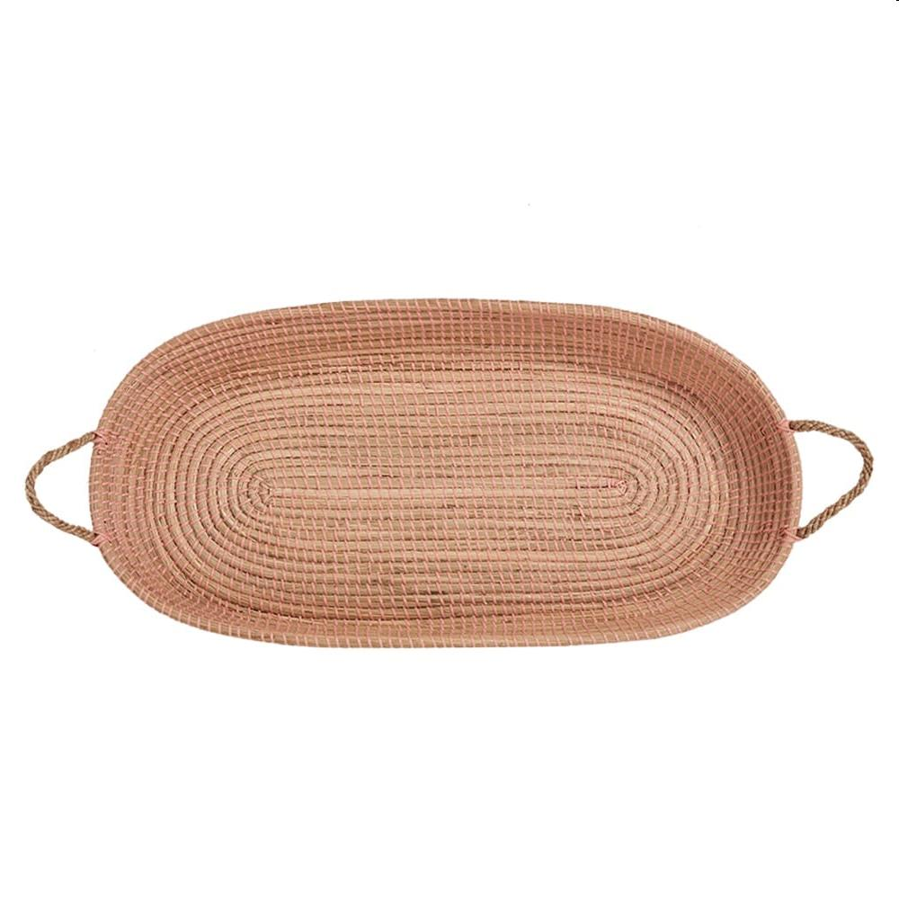
Picture | Item code | Description | Extra information | Restriction | Stock | Sales price EXW | Retail price | Barcode | Quantity PU | Quantity pallet | Pallet | Origin | Customs code | Item weight | Languages on package | Group
 | 21102 | Olli Ella, Seagrass Reva Basket Rose 70x30cm | OEBCHA-REV-RO-O |  | 255 | 13.9 | 89 | 9353515009480 | 5 | 50 | Wegwerppallet 120x80 | RC | 4601211000 | 2000 | en | Olli Ella

